UK1
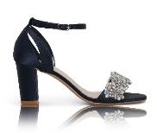
W/H | Product Code | Column1 | RRP | Picture
 | ALEXA-NAVY-36 | 0 | £95
 | ALEXA-NAVY-37 | 0 | £95
 | ALEXA-NAVY-38 | 0 | £95
 | ALEXA-NAVY-39 | 0 | £95
 | ALEXA-NAVY-40 | 1 | £95
 | ALEXA-NAVY-41 | 0 | £95
 | ALEXA-NAVY-42 | 0 | £95
 |  | 1
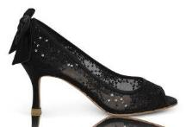
 | BEAU-BLACK-36 | 1 | £95
 | BEAU-BLACK-37 | 0 | £95
 | BEAU-BLACK-38 | 0 | £95
 | BEAU-BLACK-39 | 0 | £95
 | BEAU-BLACK-40 | 1 | £95
 | BEAU-BLACK-41 | 0 | £95
 | BEAU-BLACK-42 | 0 | £95
 |  | 2
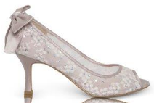
 | BEAU-TAUPE-36 | 0 | £95
 | BEAU-TAUPE-37 | 0 | £95
 | BEAU-TAUPE-38 | 0 | £95
 | BEAU-TAUPE-39 | 0 | £95
 | BEAU-TAUPE-40 | 0 | £95
 | BEAU-TAUPE-41 | 1 | £95
 | BEAU-TAUPE-42 | 0 | £95
 |  | 1
 | BELLE-36 | 0 | £95
 | BELLE-37 | 0 | £95
 | BELLE-38 | 4 | £95
 | BELLE-39 | 2 | £95
 | BELLE-40 | 1 | £95
 | BELLE-41 | 1 | £95
 | BELLE-42 | 2 | £95
 |  | 10
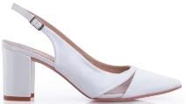
 | BROOKE-36 | 0 | £95
 | BROOKE-37 | 0 | £95
 | BROOKE-38 | 10 | £95
 | BROOKE-39 | 0 | £95
 | BROOKE-40 | 0 | £95
 | BROOKE-41 | 0 | £95
 | BROOKE-42 | 0 | £95
 |  | 10
 | BRYONY-DE-36 | 0 | £110
 | BRYONY-DE-37 | 0 | £110
 | BRYONY-DE-38 | 1 | £110
 | BRYONY-DE-39 | 0 | £110
 | BRYONY-DE-40 | 0 | £110
 | BRYONY-DE-41 | 0 | £110
 | BRYONY-DE-42 | 2 | £110
 |  | 3
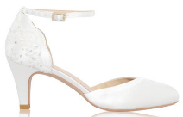
 | CLARA-36 | 0 | £90
 | CLARA-37 | 3 | £90
 | CLARA-38 | 2 | £90
 | CLARA-39 | 6 | £90
 | CLARA-40 | 0 | £90
 | CLARA-41 | 2 | £90
 | CLARA-42 | 2 | £90
 |  | 15
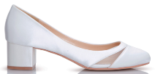
 | EMILY-36 | 1 | £100
 | EMILY-37 | 1 | £100
 | EMILY-38 | 2 | £100
 | EMILY-39 | 0 | £100
 | EMILY-40 | 2 | £100
 | EMILY-41 | 1 | £100
 | EMILY-42 | 1 | £100
 |  | 8
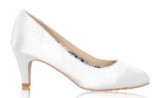
 | ERICA-DE-36 | 6 | £90
 | ERICA-DE-37 | 1 | £90
 | ERICA-DE-38 | 2 | £90
 | ERICA-DE-39 | 1 | £90
 | ERICA-DE-40 | 4 | £90
 | ERICA-DE-41 | 1 | £90
 | ERICA-DE-42 | 1 | £90
 |  | 16
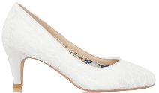
 | ERICA-LACE-36 | 1 | £90
 | ERICA-LACE-37 | 1 | £90
 | ERICA-LACE-38 | 1 | £90
 | ERICA-LACE-39 | 1 | £90
 | ERICA-LACE-40 | 1 | £90
 | ERICA-LACE-41 | 1 | £90
 | ERICA-LACE-42 | 1 | £90
 |  | 7
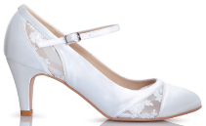
 | FAYE-DE-36 | 0 | £110
 | FAYE-DE-37 | 0 | £110
 | FAYE-DE-38 | 1 | £110
 | FAYE-DE-39 | 0 | £110
 | FAYE-DE-40 | 1 | £110
 | FAYE-DE-41 | 3 | £110
 | FAYE-DE-42 | 1 | £110
 |  | 6
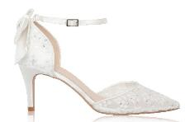
 | FLORENCE-36 | 3 | £110
 | FLORENCE-37 | 3 | £110
 | FLORENCE-38 | 0 | £110
 | FLORENCE-39 | 0 | £110
 | FLORENCE-40 | 6 | £110
 | FLORENCE-41 | 6 | £110
 | FLORENCE-42 | 1 | £110
 |  | 19
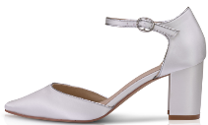
 | FREYA-DE-36 | 0 | £105
 | FREYA-DE-37 | 0 | £105
 | FREYA-DE-38 | 0 | £105
 | FREYA-DE-39 | 0 | £105
 | FREYA-DE-40 | 1 | £105
 | FREYA-DE-41 | 0 | £105
 | FREYA-DE-42 | 0 | £105
 |  | 1
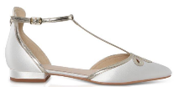
 | HARPER-DE-36 | 2 | £86
 | HARPER-DE-37 | 2 | £86
 | HARPER-DE-38 | 0 | £86
 | HARPER-DE-39 | 0 | £86
 | HARPER-DE-40 | 0 | £86
 | HARPER-DE-41 | 5 | £86
 | HARPER-DE-42 | 1 | £86
 |  | 10
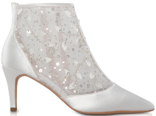
 | IMOGEN-36 | 0 | £145
 | IMOGEN-37 | 0 | £145
 | IMOGEN-38 | 0 | £145
 | IMOGEN-39 | 4 | £145
 | IMOGEN-40 | 0 | £145
 | IMOGEN-41 | 1 | £145
 | IMOGEN-42 | 0 | £145
 |  | 5
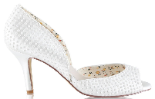
 | IRIS-36 | 1 | £90
 | IRIS-37 | 1 | £90
 | IRIS-38 | 0 | £90
 | IRIS-39 | 0 | £90
 | IRIS-40 | 0 | £90
 | IRIS-41 | 0 | £90
 | IRIS-42 | 0 | £90
 |  | 2
 | ISLA-DE-36 | 6 | £90
 | ISLA-DE-37 | 0 | £90
 | ISLA-DE-38 | 0 | £90
 | ISLA-DE-39 | 12 | £90
 | ISLA-DE-40 | 5 | £90
 | ISLA-DE-41 | 4 | £90
 | ISLA-DE-42 | 11 | £90
 |  | 38
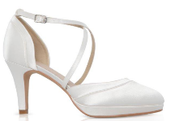
 | ISOBEL-DE-36 | 1 | £95
 | ISOBEL-DE-37 | 0 | £95
 | ISOBEL-DE-38 | 1 | £95
 | ISOBEL-DE-39 | 1 | £95
 | ISOBEL-DE-40 | 1 | £95
 | ISOBEL-DE-41 | 2 | £95
 | ISOBEL-DE-42 | 1 | £95
 |  | 7
 | ISOBEL-LACE-36 | 1 | £95
 | ISOBEL-LACE-37 | 0 | £95
 | ISOBEL-LACE-38 | 0 | £95
 | ISOBEL-LACE-39 | 1 | £95
 | ISOBEL-LACE-40 | 1 | £95
 | ISOBEL-LACE-41 | 1 | £95
 | ISOBEL-LACE-42 | 2 | £95
 |  | 6
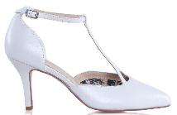
 | JAIMIE-36 | 3 | £95
 | JAIMIE-37 | 0 | £95
 | JAIMIE-38 | 0 | £95
 | JAIMIE-39 | 0 | £95
 | JAIMIE-40 | 0 | £95
 | JAIMIE-41 | 1 | £95
 | JAIMIE-42 | 2 | £95
 |  | 6
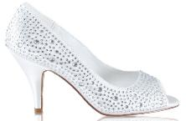
 | JENNA-36 | 2 | £95
 | JENNA-37 | 0 | £95
 | JENNA-38 | 0 | £95
 | JENNA-39 | 0 | £95
 | JENNA-40 | 0 | £95
 | JENNA-41 | 0 | £95
 | JENNA-42 | 0 | £95
 |  | 2
 | JODI-DE-33 | 2 | £80
 | JODI-DE-37 | 0 | £80
 | JODI-DE-38 | 0 | £80
 | JODI-DE-39 | 0 | £80
 | JODI-DE-40 | 0 | £80
 | JODI-DE-41 | 2 | £80
 | JODI-DE-42 | 8 | £80
 |  | 12
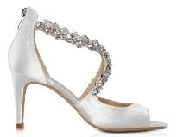
 | KATELYN-DE-36 | 0 | £105
 | KATELYN-DE-37 | 1 | £105
 | KATELYN-DE-38 | 0 | £105
 | KATELYN-DE-39 | 0 | £105
 | KATELYN-DE-40 | 0 | £105
 | KATELYN-DE-41 | 1 | £105
 | KATELYN-DE-42 | 0 | £105
 |  | 2
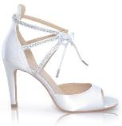
 | KELIS-36 | 0 | £100
 | KELIS-37 | 0 | £100
 | KELIS-38 | 0 | £100
 | KELIS-39 | 0 | £100
 | KELIS-40 | 0 | £100
 | KELIS-41 | 2 | £100
 | KELIS-42 | 1 | £100
 |  | 3
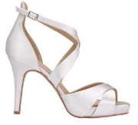
 | KENDALL-DE-36 | 0 | £105
 | KENDALL-DE-37 | 0 | £105
 | KENDALL-DE-38 | 0 | £105
 | KENDALL-DE-39 | 0 | £105
 | KENDALL-DE-40 | 1 | £105
 | KENDALL-DE-41 | 3 | £105
 | KENDALL-DE-42 | 3 | £105
 |  | 7
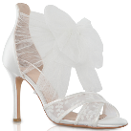
 | KENNEDY-36 | 0 | £86
 | KENNEDY-37 | 0 | £86
 | KENNEDY-38 | 0 | £86
 | KENNEDY-39 | 0 | £86
 | KENNEDY-40 | 0 | £86
 | KENNEDY-41 | 0 | £86
 | KENNEDY-42 | 3 | £86
 |  | 3
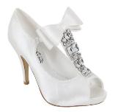
 | LAURA-36 | 0 | £86
 | LAURA-37 | 0 | £86
 | LAURA-38 | 0 | £86
 | LAURA-39 | 0 | £86
 | LAURA-40 | 0 | £86
 | LAURA-41 | 0 | £86
 | LAURA-42 | 1 | £86
 |  | 1
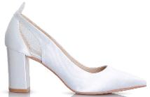
 | LAYLA-36 | 2 | £100
 | LAYLA-37 | 4 | £100
 | LAYLA-38 | 1 | £100
 | LAYLA-39 | 0 | £100
 | LAYLA-40 | 0 | £100
 | LAYLA-41 | 0 | £100
 | LAYLA-42 | 0 | £100
 |  | 7
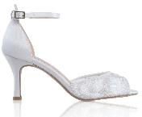
 | LEXY-36 | 0 | £100
 | LEXY-37 | 0 | £100
 | LEXY-38 | 0 | £100
 | LEXY-39 | 0 | £100
 | LEXY-40 | 6 | £100
 | LEXY-41 | 0 | £100
 | LEXY-42 | 4 | £100
 |  | 10
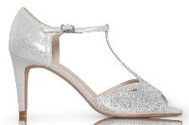
 | LUNA-SILVER-36 | 0 | £86
 | LUNA-SILVER-37 | 0 | £86
 | LUNA-SILVER-38 | 0 | £86
 | LUNA-SILVER-39 | 0 | £86
 | LUNA-SILVER-40 | 0 | £86
 | LUNA-SILVER-41 | 0 | £86
 | LUNA-SILVER-42 | 2 | £86
 |  | 2
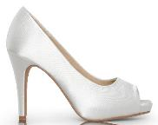
 | MARIETTA-DE-36 | 0 | £100
 | MARIETTA-DE-37 | 0 | £100
 | MARIETTA-DE-38 | 0 | £100
 | MARIETTA-DE-39 | 0 | £100
 | MARIETTA-DE-40 | 1 | £100
 | MARIETTA-DE-41 | 2 | £100
 | MARIETTA-DE-42 | 0 | £100
 |  | 3
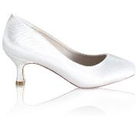
 | MATHILDE-DE-36 | 1 | £100
 | MATHILDE-DE-37 | 0 | £100
 | MATHILDE-DE-38 | 0 | £100
 | MATHILDE-DE-39 | 0 | £100
 | MATHILDE-DE-40 | 0 | £100
 | MATHILDE-DE-41 | 0 | £100
 | MATHILDE-DE-42 | 2 | £100
 |  | 3
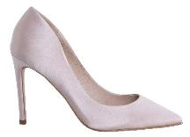
 | MEGAN-BL-SILK-DE-36 | 0 | £100
 | MEGAN-BL-SILK-DE-37 | 3 | £100
 | MEGAN-BL-SILK-DE-38 | 2 | £100
 | MEGAN-BL-SILK-DE-39 | 0 | £100
 | MEGAN-BL-SILK-DE-40 | 3 | £100
 | MEGAN-BL-SILK-DE-41 | 2 | £100
 | MEGAN-BL-SILK-DE-42 | 0 | £100
 |  | 10
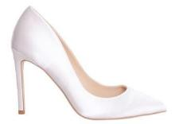
 | MEGAN-DE-DE-36 | 3 | £100
 | MEGAN-DE-DE-37 | 4 | £100
 | MEGAN-DE-DE-38 | 3 | £100
 | MEGAN-DE-DE-39 | 0 | £100
 | MEGAN-DE-DE-40 | 1 | £100
 | MEGAN-DE-DE-41 | 1 | £100
 | MEGAN-DE-DE-42 | 0 | £100
 |  | 12
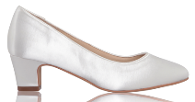
 | MELANIE-DE-36 | 5 | £100
 | MELANIE-DE-37 | 0 | £100
 | MELANIE-DE-38 | 1 | £100
 | MELANIE-DE-39 | 0 | £100
 | MELANIE-DE-40 | 0 | £100
 | MELANIE-DE-41 | 5 | £100
 | MELANIE-DE-42 | 4 | £100
 |  | 15
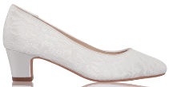
 | MELANIE-LACE-36 | 3 | £100
 | MELANIE-LACE-37 | 0 | £100
 | MELANIE-LACE-38 | 0 | £100
 | MELANIE-LACE-39 | 0 | £100
 | MELANIE-LACE-40 | 4 | £100
 | MELANIE-LACE-41 | 1 | £100
 | MELANIE-LACE-42 | 9 | £100
 |  | 17
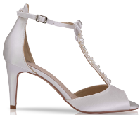
 | MORGAN-DE-36 | 0 | £115
 | MORGAN-DE-37 | 2 | £115
 | MORGAN-DE-38 | 9 | £115
 | MORGAN-DE-39 | 8 | £115
 | MORGAN-DE-40 | 2 | £115
 | MORGAN-DE-41 | 0 | £115
 | MORGAN-DE-42 | 0 | £115
 |  | 21
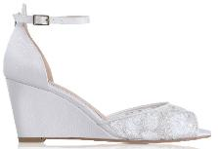
 | NAOMI-36 | 0 | £105
 | NAOMI-37 | 0 | £105
 | NAOMI-38 | 0 | £105
 | NAOMI-39 | 0 | £105
 | NAOMI-40 | 0 | £105
 | NAOMI-41 | 0 | £105
 | NAOMI-42 | 2 | £105
 |  | 2
 | PENNY-DE-36 | 0 | £85
 | PENNY-DE-37 | 2 | £85
 | PENNY-DE-38 | 1 | £85
 | PENNY-DE-39 | 0 | £85
 | PENNY-DE-40 | 0 | £85
 | PENNY-DE-41 | 0 | £85
 | PENNY-DE-42 | 0 | £85
 |  | 3
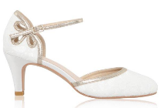
 | NINA-LACE-36 | 0 | £95
 | NINA-LACE-37 | 3 | £95
 | NINA-LACE-38 | 0 | £95
 | NINA-LACE-39 | 0 | £95
 | NINA-LACE-40 | 10 | £95
 | NINA-LACE-41 | 2 | £95
 | NINA-LACE-42 | 1 | £95
 |  | 16
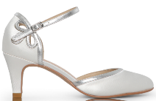
 | NINA-SATIN-36 | 3 | £95
 | NINA-SATIN-37 | 1 | £95
 | NINA-SATIN-38 | 5 | £95
 | NINA-SATIN-39 | 2 | £95
 | NINA-SATIN-40 | 2 | £95
 | NINA-SATIN-41 | 5 | £95
 | NINA-SATIN-42 | 4 | £95
 |  | 22
 | PHOENIX-36 | 0 | £105
 | PHOENIX-37 | 0 | £105
 | PHOENIX-38 | 0 | £105
 | PHOENIX-39 | 0 | £105
 | PHOENIX-40 | 0 | £105
 | PHOENIX-41 | 0 | £105
 | PHOENIX-42 | 2 | £105
 |  | 2
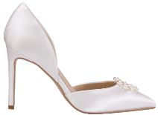
 | PIPPA-DE-36 | 0 | £110
 | PIPPA-DE-37 | 0 | £110
 | PIPPA-DE-38 | 0 | £110
 | PIPPA-DE-39 | 0 | £110
 | PIPPA-DE-40 | 0 | £110
 | PIPPA-DE-41 | 3 | £110
 | PIPPA-DE-42 | 0 | £110
 |  | 3
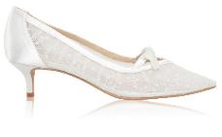
 | POPPY-DE-36 | 0 | £110
 | POPPY-DE-37 | 3 | £110
 | POPPY-DE-38 | 4 | £110
 | POPPY-DE-39 | 0 | £110
 | POPPY-DE-40 | 0 | £110
 | POPPY-DE-41 | 0 | £110
 | POPPY-DE-42 | 0 | £110
 |  | 7
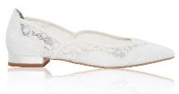
 | PRIMROSE-DE-36 | 1 | £90
 | PRIMROSE-DE-37 | 0 | £90
 | PRIMROSE-DE-38 | 0 | £90
 | PRIMROSE-DE-39 | 0 | £90
 | PRIMROSE-DE-40 | 0 | £90
 | PRIMROSE-DE-41 | 0 | £90
 | PRIMROSE-DE-42 | 0 | £90
 |  | 1
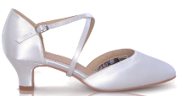
 | RENATE-DE-36 | 16 | £100
 | RENATE-DE-37 | 16 | £100
 | RENATE-DE-38 | 5 | £100
 | RENATE-DE-39 | 4 | £100
 | RENATE-DE-40 | 0 | £100
 | RENATE-DE-41 | 8 | £100
 | RENATE-DE-42 | 11 | £100
 |  | 60
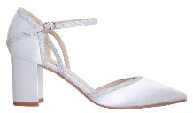
 | ROBYN-36 | 3 | £100
 | ROBYN-37 | 0 | £100
 | ROBYN-38 | 0 | £100
 | ROBYN-39 | 1 | £100
 | ROBYN-40 | 9 | £100
 | ROBYN-41 | 11 | £100
 | ROBYN-42 | 5 | £100
 |  | 29
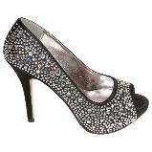
 | SARAH-BLK-36 | 0 | £100
 | SARAH-BLK-37 | 0 | £100
 | SARAH-BLK-38 | 0 | £100
 | SARAH-BLK-39 | 0 | £100
 | SARAH-BLK-40 | 0 | £100
 | SARAH-BLK-41 | 1 | £100
 | SARAH-BLK-42 | 0 | £100
 |  | 1
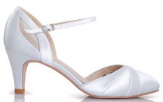
 | SHAY-DE-36 | 0 | £105
 | SHAY-DE-37 | 0 | £105
 | SHAY-DE-38 | 0 | £105
 | SHAY-DE-39 | 0 | £105
 | SHAY-DE-40 | 0 | £105
 | SHAY-DE-41 | 0 | £105
 | SHAY-DE-42 | 3 | £105
 |  | 3
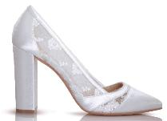
 | SKYLA-36 | 8 | £105
 | SKYLA-37 | 8 | £105
 | SKYLA-38 | 4 | £105
 | SKYLA-39 | 3 | £105
 | SKYLA-40 | 5 | £105
 | SKYLA-41 | 0 | £105
 | SKYLA-42 | 3 | £105
 |  | 31
 | SUSIE-36 | 1 | £105
 | SUSIE-37 | 4 | £105
 | SUSIE-38 | 0 | £105
 | SUSIE-39 | 3 | £105
 | SUSIE-40 | 0 | £105
 | SUSIE-41 | 2 | £105
 | SUSIE-42 | 1 | £105
 |  | 11
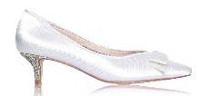
 | STACEY-DE-36 | 0 | £100
 | STACEY-DE-37 | 3 | £100
 | STACEY-DE-38 | 0 | £100
 | STACEY-DE-39 | 0 | £100
 | STACEY-DE-40 | 0 | £100
 | STACEY-DE-41 | 0 | £100
 | STACEY-DE-42 | 0 | £100
 |  | 3
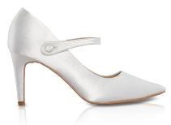
 | THEA-DE-36 | 1 | £100
 | THEA-DE-37 | 0 | £100
 | THEA-DE-38 | 0 | £100
 | THEA-DE-39 | 0 | £100
 | THEA-DE-40 | 0 | £100
 | THEA-DE-41 | 1 | £100
 | THEA-DE-42 | 0 | £100
 |  | 2
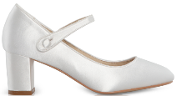
 | TONI-DE-36 | 2 | £90
 | TONI-DE-37 | 1 | £90
 | TONI-DE-38 | 1 | £90
 | TONI-DE-39 | 0 | £90
 | TONI-DE-40 | 0 | £90
 | TONI-DE-41 | 0 | £90
 | TONI-DE-42 | 3 | £90
 |  | 7
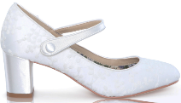
 | TONI-LACE-36 | 3 | £90
 | TONI-LACE-37 | 0 | £90
 | TONI-LACE-38 | 1 | £90
 | TONI-LACE-39 | 3 | £90
 | TONI-LACE-40 | 3 | £90
 | TONI-LACE-41 | 1 | £90
 | TONI-LACE-42 | 1 | £90
 |  | 12
 | VERITY-DE-36 | 0 | £80
 | VERITY-DE-37 | 1 | £80
 | VERITY-DE-38 | 1 | £80
 | VERITY-DE-39 | 3 | £80
 | VERITY-DE-40 | 1 | £80
 | VERITY-DE-41 | 2 | £80
 | VERITY-DE-42 | 0 | £80
 |  | 8
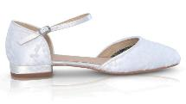
 | VERITY-LACE-36 | 1 | £80
 | VERITY-LACE-37 | 1 | £80
 | VERITY-LACE-38 | 1 | £80
 | VERITY-LACE-39 | 1 | £80
 | VERITY-LACE-40 | 1 | £80
 | VERITY-LACE-41 | 1 | £80
 | VERITY-LACE-42 | 3 | £80
 |  | 9
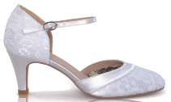
 | WD-ELSA-LACE-36 | 1 | £95
 | WD-ELSA-LACE-37 | 0 | £95
 | WD-ELSA-LACE-38 | 0 | £95
 | WD-ELSA-LACE-39 | 0 | £95
 | WD-ELSA-LACE-40 | 2 | £95
 | WD-ELSA-LACE-41 | 0 | £95
 | WD-ELSA-LACE-42 | 6 | £95
 | WD-ELSA-LACE-43 | 0 | £95
 | WD-ELSA-LACE-44 | 0 | £95
 |  | 9
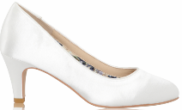
 | WD-ERICA-DE-36 | 2 | £90
 | WD-ERICA-DE-37 | 1 | £90
 | WD-ERICA-DE-38 | 2 | £90
 | WD-ERICA-DE-39 | 0 | £90
 | WD-ERICA-DE-40 | 0 | £90
 | WD-ERICA-DE-41 | 0 | £90
 | WD-ERICA-DE-42 | 3 | £90
 |  | 8
 | WD-MELANIE-DE-36 | 10 | £105
 | WD-MELANIE-DE-37 | 5 | £105
 | WD-MELANIE-DE-38 | 9 | £105
 | WD-MELANIE-DE-39 | 0 | £105
 | WD-MELANIE-DE-40 | 0 | £105
 | WD-MELANIE-DE-41 | 0 | £105
 | WD-MELANIE-DE-42 | 2 | £105
 | WD-MELANIE-DE-43 | 4 | £105
 | WD-MELANIE-DE-44 | 3 | £105
 |  | 33
 | WD-MELANIE-LACE-36 | 6 | £105
 | WD-MELANIE-LACE-37 | 5 | £105
 | WD-MELANIE-LACE-38 | 5 | £105
 | WD-MELANIE-LACE-39 | 13 | £105
 | WD-MELANIE-LACE-40 | 16 | £105
 | WD-MELANIE-LACE-41 | 0 | £105
 | WD-MELANIE-LACE-42 | 0 | £105
 | WD-MELANIE-LACE-43 | 9 | £105
 | WD-MELANIE-LACE-44 | 7 | £105
 |  | 61
 | WD-PHOENIX-36 | 1 | £105
 | WD-PHOENIX-37 | 0 | £105
 | WD-PHOENIX-38 | 0 | £105
 | WD-PHOENIX-39 | 0 | £105
 | WD-PHOENIX-40 | 0 | £105
 | WD-PHOENIX-41 | 0 | £105
 | WD-PHOENIX-42 | 0 | £105
 |  | 1
 | WD-RENATE-DE-36 | 0 | £105
 | WD-RENATE-DE-37 | 14 | £105
 | WD-RENATE-DE-38 | 6 | £105
 | WD-RENATE-DE-39 | 14 | £105
 | WD-RENATE-DE-40 | 1 | £105
 | WD-RENATE-DE-41 | 2 | £105
 | WD-RENATE-DE-42 | 1 | £105
 | WD-RENATE-DE-43 | 9 | £105
 | WD-RENATE-DE-44 | 2 | £105
 |  | 49
 | ZARA-36 | 0 | £140
 | ZARA-37 | 0 | £140
 | ZARA-38 | 0 | £140
 | ZARA-39 | 0 | £140
 | ZARA-40 | 1 | £140
 | ZARA-41 | 0 | £140
 | ZARA-42 | 1 | £140
 |  | 2

 | TOTAL | 698

